Sheet1
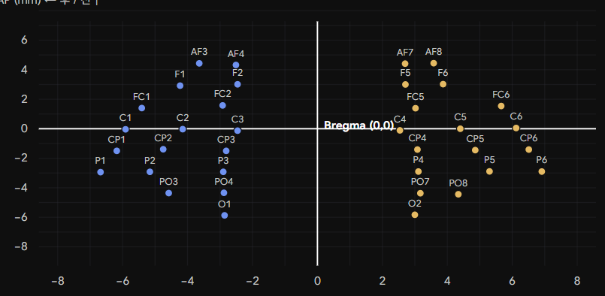
EEG position name | Voxel (Y, Z) | ML / x (mm) | AP / y (mm) | L / R
AF3 | (72.6, 204.1) | -3.64 | 4.43 | L
AF4 | (79.0, 203.3) | -2.5 | 4.31 | L
AF7 | (108.1, 203.9) | 2.7 | 4.4 | R
AF8 | (113.1, 204.2) | 3.59 | 4.44 | R
F1 | (69.3, 194.0) | -4.23 | 2.92 | L
F2 | (79.2, 194.6) | -2.46 | 3.01 | L
F5 | (108.1, 194.5) | 2.7 | 3 | R
F6 | (114.6, 194.7) | 3.86 | 3.03 | R
FC1 | (62.7, 183.8) | -5.41 | 1.4 | L
FC2 | (76.7, 185.0) | -2.91 | 1.58 | L
FC5 | (109.9, 183.7) | 3.02 | 1.38 | R
FC6 | (124.7, 184.7) | 5.66 | 1.53 | R
C1 | (59.9, 174.2) | -5.91 | -0.04 | L
C2 | (69.8, 174.2) | -4.14 | -0.04 | L
C3 | (79.3, 173.6) | -2.45 | -0.13 | L
C4 | (107.2, 173.7) | 2.54 | -0.11 | R
C5 | (117.6, 174.4) | 4.39 | -0.01 | R
C6 | (127.3, 174.8) | 6.13 | 0.05 | R
CP1 | (58.4, 164.4) | -6.18 | -1.5 | L
CP2 | (66.4, 165.2) | -4.75 | -1.38 | L
CP3 | (77.3, 164.4) | -2.8 | -1.5 | L
CP4 | (110.3, 165.0) | 3.09 | -1.41 | R
CP5 | (120.2, 164.7) | 4.86 | -1.46 | R
CP6 | (129.4, 165.0) | 6.5 | -1.41 | R
P1 | (55.6, 154.8) | -6.68 | -2.94 | L
P2 | (64.1, 154.9) | -5.16 | -2.92 | L
P3 | (76.7, 154.9) | -2.91 | -2.92 | L
P4 | (110.4, 155.1) | 3.11 | -2.89 | R
P5 | (122.7, 155.1) | 5.3 | -2.89 | R
P6 | (131.7, 155.1) | 6.91 | -2.89 | R
PO3 | (67.4, 145.2) | -4.57 | -4.37 | L
PO4 | (76.9, 145.4) | -2.88 | -4.34 | L
PO7 | (110.8, 145.2) | 3.18 | -4.37 | R
PO8 | (117.3, 144.7) | 4.34 | -4.44 | R
O1 | (77.0, 135.2) | -2.86 | -5.86 | L
O2 | (109.8, 135.4) | 3 | -5.83 | R

